Sheet1
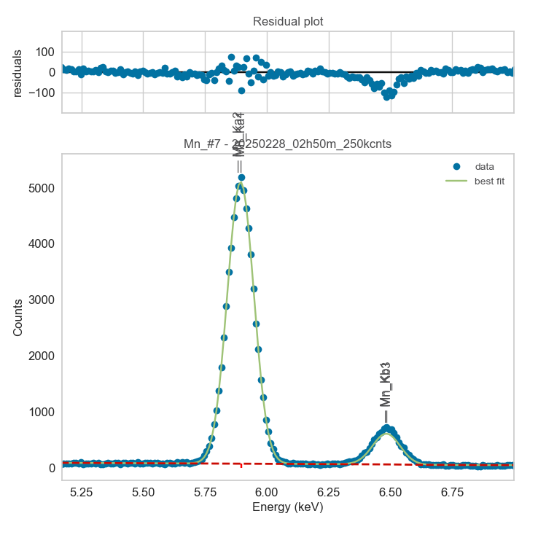
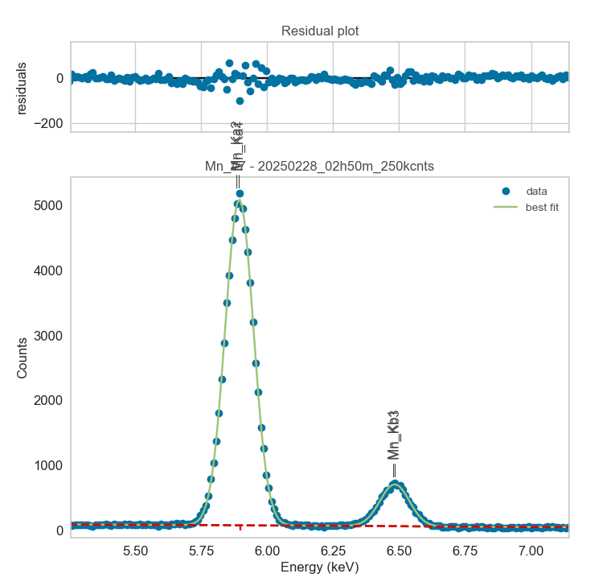
Weights calibrated measuring a pure V standard, bulk, polished
Area of all peaks is fitted
A constant shift is maintained across all peaks
Sigma is fixed for all peaks
Area of peak Ka2 is weighted and fixed on original weights because strongly overlapping with Ka1

Mn |  | Meas 1 | Meas 2 | Meas 3 | Meas 4 | Meas 5 | Meas 6 | Meas 7 | Meas 8 | Meas 9 | Meas 10
Ka1 |  | 522.901 | 524.562 | 528.331 | 522.03 | 472.189 | 524.84 | 448.039 | 517.645 | 523.378 | 522.839
Kb1 |  | 53.988 | 38.784 | 44.014 | 67.975 | 63.511 | 47.108 | 62.866 | 33.712 | 57.432 | 41.265
Kb3 |  | 50.417 | 65.196 | 61.127 | 37.486 | 32.412 | 59.723 | 26.633 | 69.766 | 44.683 | 63.295
Kb1 + Kb3 |  | 104.405 | 103.98 | 105.141 | 105.461 | 95.923 | 106.831 | 89.499 | 103.478 | 102.115 | 104.56

Line | Original w | Meas 1 | Meas 2 | Meas 3 | Meas 4 | Meas 5 | Meas 6 | Meas 7 | Meas 8 | Meas 9 | Meas 10 | Mean | Stdev | Er (%)
Ka1 | 1 | 1.0000 | 1.0000 | 1.0000 | 1.0000 | 1.0000 | 1.0000 | 1.0000 | 1.0000 | 1.0000 | 1.0000 | 1.0000
Kb1 | 1.08E-01 | 0.1032 | 0.0739 | 0.0833 | 0.1302 | 0.1345 | 0.0898 | 0.1403 | 0.0651 | 0.1097 | 0.0789 | 0.1009 | 0.0270 | 26.73
Kb3 | 6.20E-02 | 0.0964 | 0.1243 | 0.1157 | 0.0718 | 0.0686 | 0.1138 | 0.0594 | 0.1348 | 0.0854 | 0.1211 | 0.0991 | 0.0265 | 26.74
Kb1 + Kb3 | 0.17 | 0.1997 | 0.1982 | 0.1990 | 0.2020 | 0.2031 | 0.2035 | 0.1998 | 0.1999 | 0.1951 | 0.2000 | 0.2000 | 0.0025 | 1.23

The fitting of peaks Kb1 + Kb3 varies, but their sum is more or less constant
So we use the original ratios to diustribute the sum among the 2 peaks, giving:

 | Kb1 | Kb3 | Sum
Original ratio | 0.6353 | 0.3647
Resulting weights: | 0.1271 | 0.0730 | 0.2000

 |  | Without improvement of Kb1, Kb3 weights: |  |  |  |  |  |  |  |  | With unconstrained peak area

